Score
 | >> Sort Most Played << | >> Sort Wins. << |  |  |  |  | >> Sort Last << |  | Most | Average game per deck | 28.5
24 | Decks Totals: | 299 |  | 386 | 44% | 685 | Last Changed

Nr | Deck Name | Win |  | Loss | W-Rate | Total | Date | Last | P-Evaluation | Settings |  |  |  |  | Last
1 | Obosh, the Preypiercer | 20 |  | 33 | 38% | 53 | 15:32 | Win | Strong | Max Win rate | 45 |  |  |  | Most
2 | Marchesa, the Black Rose | 17 |  | 31 | 35% | 48 | 21:45 | Win | Just Right | Strong Win Rate | 36 |  |  |  | Wins
3 | Breya, Etherium Shaper | 16 |  | 26 | 38% | 42 | 11:07 | Loss | Strong | Treshold | 8 | Select a deck for the graph | Entries
4 | Tariel, Reckoner of Souls | 15 |  | 25 | 38% | 40 | 13:27 | Loss | Strong | Fall behind | 1.5 | All | 704
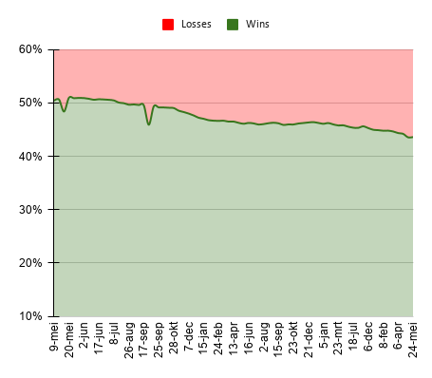
5 | Saskia the Unyielding | 13 |  | 27 | 33% | 40 | 18:53 | Loss | Just Right
6 | Ikra // Tymna | 15 |  | 22 | 41% | 37 | 14:38 | Loss | Strong
7 | Derevi, Empyrial Tactician | 13 |  | 22 | 37% | 35 | 15:18 | Loss | Strong
8 | Kykar, Wind's Fury | 17 |  | 15 | 53% | 32 | 17:32 | Loss | Too Strong
9 | Feather, the Redeemed | 15 |  | 17 | 47% | 32 | 16:22 | Loss | Too Strong
10 | Taigam, Ojutai Master | 10 |  | 20 | 33% | 30 | 19:23 | Win | Just Right
11 | Illuna / Ghidorah | 7 |  | 20 | 26% | 27 | 12:44 | Loss | Just Right
12 | Minn, Wily Illusionist | 16 |  | 11 | 59% | 27 | 20:58 | Win | Too Strong
13 | Scion, The Ur Dragon | 12 |  | 15 | 44% | 27 | 13:27 | Win | Strong
14 | Wort, The raid Mother | 12 |  | 14 | 46% | 26 | 11:57 | Win | Too Strong
15 | Teysa, Orzhov Scion | 18 |  | 6 | 75% | 24 | 15:18 | Win | Too Strong
16 | Sram, Senior Edificer | 15 |  | 9 | 63% | 24 | 19:50 | Win | Too Strong
17 | Oona, Queen of Fae | 13 |  | 11 | 54% | 24 | 19:23 | Win | Too Strong
18 | Damia, Sage of Stone | 8 |  | 15 | 35% | 23 | 18:40 | Loss | Just Right
19 | Sen Triplets | 12 |  | 10 | 55% | 22 | 20:23 | Loss | Too Strong
20 | Ghyrson Starn, Kelermorph | 9 |  | 12 | 43% | 21 | 12:53 | Win | Strong
21 | Sasaya, Orochi Ascendant | 10 |  | 7 | 59% | 17 | 16:55 | Win | Too Strong
22 | Nethroi, Apex of Death | 6 |  | 11 | 35% | 17 | 14:56 | Loss | Just Right
23 | Jetmir, Nexus of Revels | 9 |  | 7 | 56% | 16 | 13:19 | Win | Too Strong
24 | Calix, Guided by Fate | 1 | 0 | 0 | 100% | 1 | 18:54 | Win | Threshold
25
26
27
28
29
30
31
32
33 | All |  |  |  |  |  |  |  |  |  |  |  |  | All

 | Retired decks
 | Gahiji | 7 |  | 11 | 39% | 18 |  |  | Strong
 | Traximundar | ?? |  | ?? | ?? | ?? |  |  | ??
 | Sythis, Harvest's Hand | 15 |  | 7 | 68% | 22 | 12:53 | Loss | Too Strong

